Bug Report
Defect Report |  | Defect Report |  | Defect Report |  | Defect Report |  | Defect Report |  | Defect Report

Release | V.1.0 | Release | V.1.0 | Release | V.1.0 | Release | V1.0 | Release | V1.0 | Release | V1.0
Title | User is not able to signup if he/she enters a first name with three charachters | Title | The location of the loader in the login page is wrong | Title | No available task message will appear when adding a total of 5 tasks | Title | The application shouldn't show the user name when it consists of 2 letters | Title | Task name should fit in its ui design (card) when its long described | Title | Application should be compatible to mobile phones screens
Description | It happens in all the browsers and all the screen views, the first name that we used during the testing is HAT | Description | After logging and while waiting the response from the server, the loader will appear in a wrong location, down with alot of margin | Description | In the todo page and when you add 5 todos, the message "No available tasks" will appear | Description | when the user name is about 2 charecters the application shows his/her name while is shouldn't | Description | When careating a task with a name longer than 39 character the task name don't fit in its card | Description | Application dosen't adjust the mobile phones's screen
Steps | 1- Enter a first name with "HAT". 2- Fill a correct last name. 3- Fill a correct email formate, and the email should not be registered in the database. 4- Fill a correct password. 5- Fill a correct confirm password. 6- Click on signup button | Steps | 1- Go to login page 2- Fill the email 3- Fill the password 4- Click on login 5- Check the loader | Steps | 1- Go to Todos Page 2- Add 5 tasks | Steps | 1- Make the user name consists of 2 characters 2- Go to To-do page | Steps | 1- Login using valid email and password 2- Create a task with long title (more 40 characters) 3- Add it to the task list 4-Observe how it appears in the UI | Steps | 1- Login using valid email and password 2- Press F12 to open DevTools 3- Enable Device Toolbar and select a mobile device (e.g., iPhone X) 4- Observe layout, content spacing, and UI elements
Expected Results | Should be able to signup correctly | Expected Results | The loader should appear correctly in the correct location | Expected Results | No available tasks should not be visible | Expected Results | Show "User" instead of the user name | Expected Results | Task name shouldn't overflow the card | Expected Results | Application should adjust the mobile phone screen No elements should overflow Text and buttons should be readable and usable
Actual Result | This error message was displayed "First Name is required, and it should be more than 3 characters" | Actual Result | The loader will be displayed in a wrong location | Actual Result | No available task is visible | Actual Result | It shows the user name | Actual Result | Task name didn't fit in its card | Actual Result | Application doesn't adjust the mobile's screen
Environment | Chrome V.97 | Environment | Chrome V.97 | Environment | Chrome V.97 | Environment | Microsoft Edge 136.0.3240.64 (Official build) (64-bit) | Environment | Microsoft Edge 136.0.3240.64 (Official build) (64-bit) | Environment | Microsoft Edge 136.0.3240.64 (Official build) (64-bit)
Screenshot / Video | 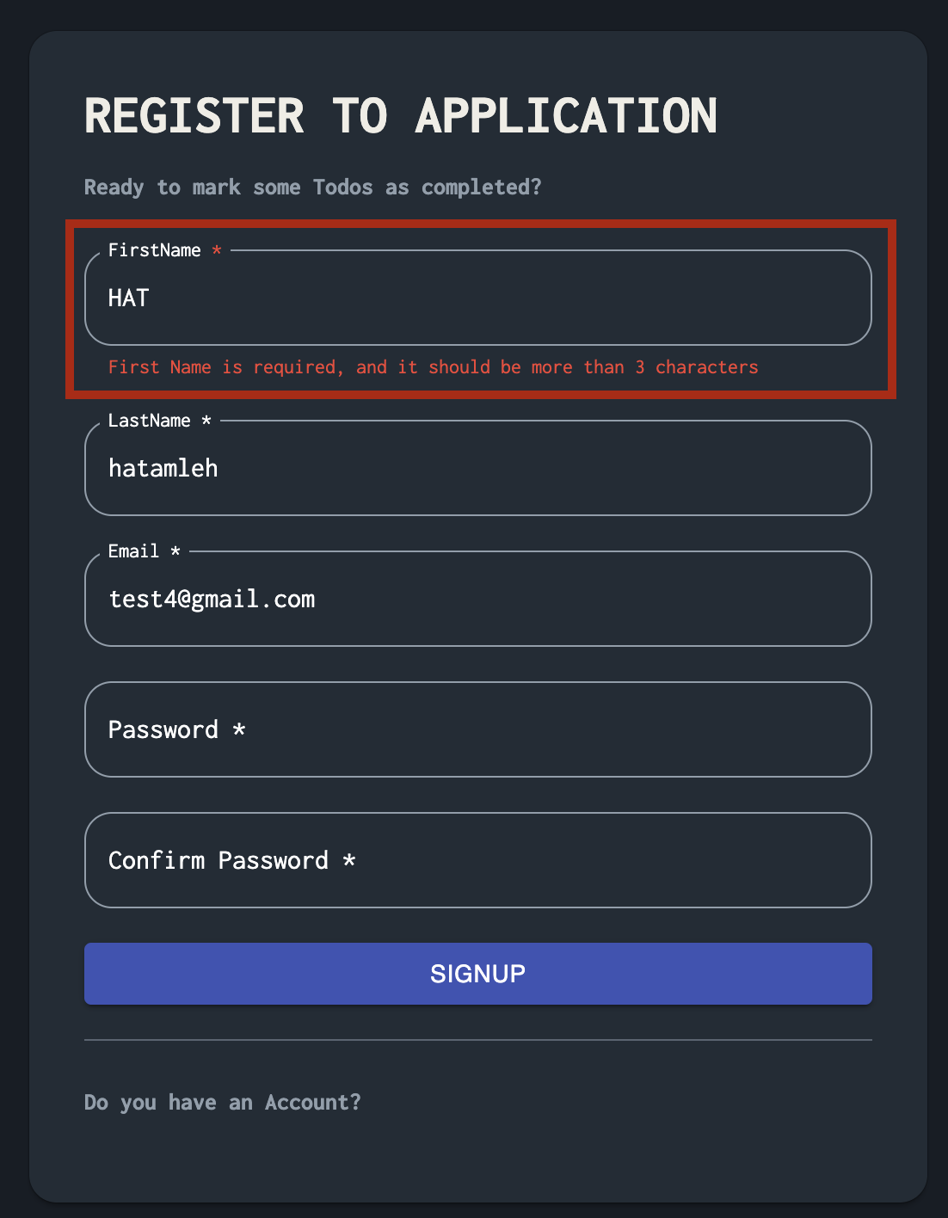 | Screenshot / Video | 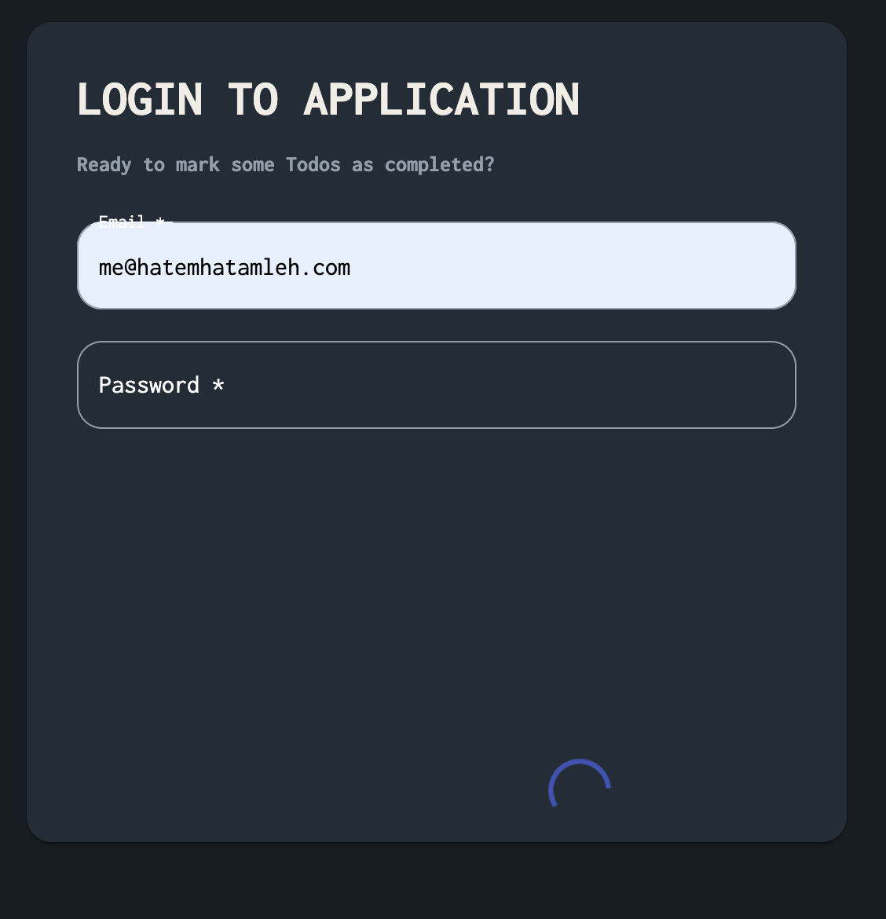 | Screenshot / Video | 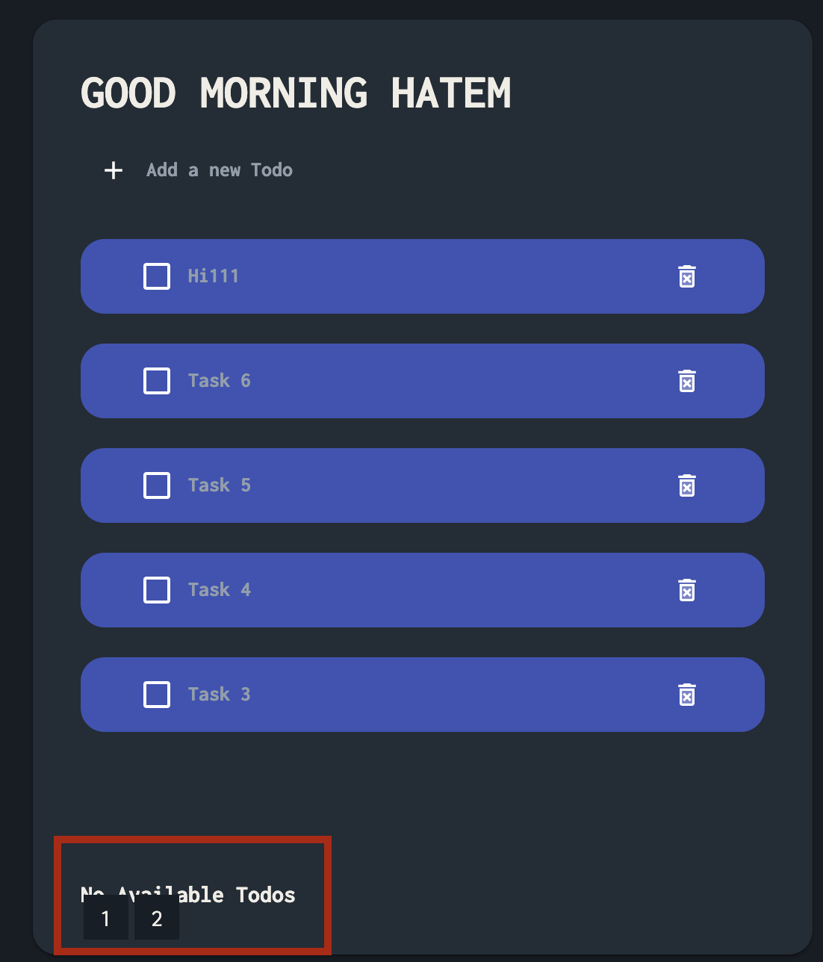  | Screenshot / Video | 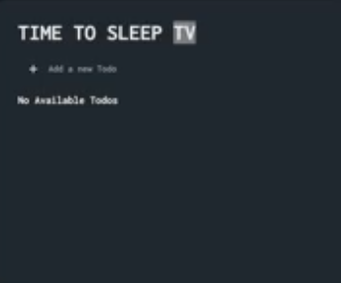 | Screenshot / Video |  | Screenshot / Video | 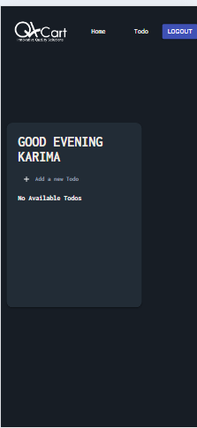
Rate | 2022-05-05 | Rate | 2022-05-05 | Rate | 2022-05-05 | Rate | 2025-05-05 | Rate | 1/5 only happens in Microsoft Edge | Rate | 2025-05-05
Priority | B | Priority | C | Priority | A | Priority | c | Priority | B | Priority | A
Status | Open | Status | Open | Status | Open | Status | open | Status | open | Status | open

